Main


CAPSTONE PROJECT REPORT
Finance Accounting
Configuration

Statistics
UNIT TEST REPORT

Project Name | VinaTech Smart Manufacturing's order status management system |  | Creator |  | DucNM
Project Code | VTOMS |  | Reviewer/Approver
Document Code | VTOMS_UnitTest_v1.0 |  | Issue Date |  | 2026-04-10
Notes

No | Function code | Passed | Failed | Untested | Total Test Cases
1 | Create G/L Account | 4 | 0 | 0 | 4
2 | Create Customer Invoice | 4 | 0 | 0 | 4
3 | Post Incoming Payment | 4 | 0 | 0 | 4
4 | Post Outgoing Payment | 0 | 0 | 0 | 0
5 | Credit Memo | #REF! | 0 | 0 | #REF!
 | Sub total | #REF! | 0 | 0 | #REF!

 | Test coverage |  | #REF! | %
 | Test successful coverage |  | #REF! | %

Passed Percent

MethodList

 |  | Method List

Project Name |  | VinaTech Smart Manufacturing's order status management system
Project Code
Normal number of Test cases/KLOC
Test Environment Setup Description

No | Module Name | Method Name | Sheet Name | Description | Pre-Condition
 | Finance | Create G/L Account | Create G/L account | Create G/L account for company VTC1 | Company code VTC1 configured
 |  | Create Customer Invoice | Create Customer Invoice | Record customer receivable in VND | Sales process completed
 |  | Post Incoming Payment | Post Incoming Payment | Record incoming payment from customer | Open AR exists
 |  | Post Outgoing Payment | Post Outgoing Payment | Pay vendor invoice | Open AP exists
 |  | Credit Memo | Credit Memo

Create GL Account
Code Module | Create | Method |  |  |  |  | Create G/L in system
Created By | DucNM | Executed By |  |  |  |  | DucNM
Test requirement
Passed | Failed | Untested |  |  |  |  | N/A/B | Total Test Cases
4 | 0 | 0
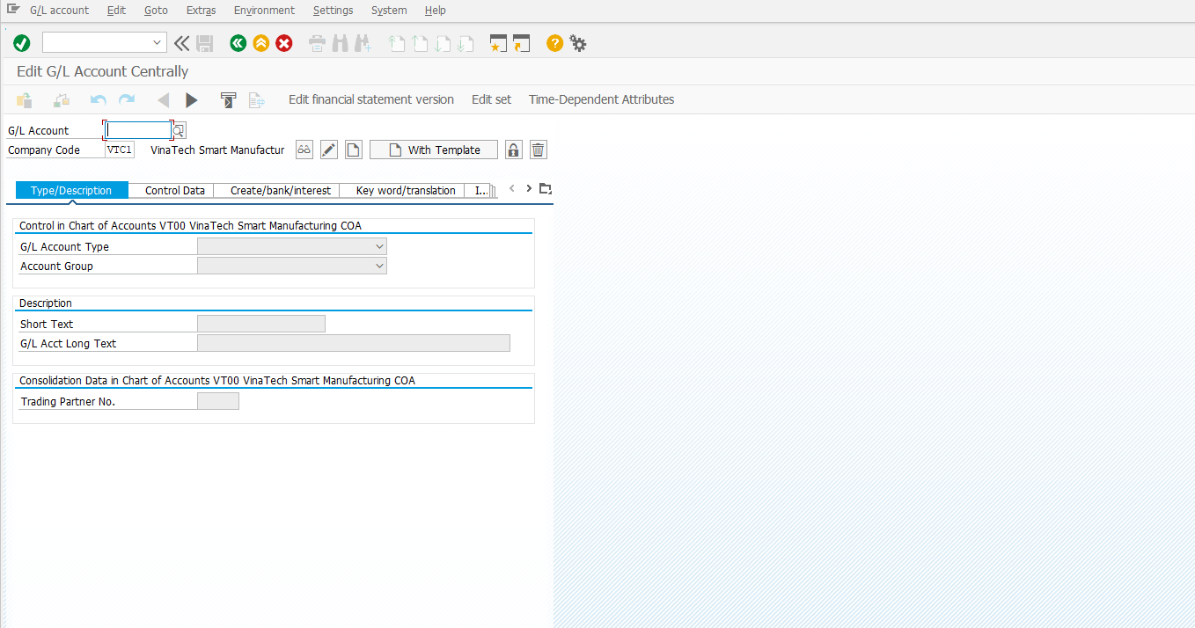
Process |  | ID | Test Data |  |  | Step | Expected Result | Actual Result | Tester | Pass/Fail
Create G/L Account |  | FI001 | Access Screen | Company code | VTC1 | 1. Login into SAP 2. Enter T-code: FS00 3. Enter Company Code: VTC1 4. Click Create | The system does not return any error and navigates to the G/L Account creation screen. |  | DucNM | Pass

 |  | FI002 | Type/Description | G/L Account | 511600 | In the “Type/Description”: 1. Enter G/L Account 2. Enter Account Type 3. Enter Account Group 4. Enter Short Text and Long Text | The system accepts the input data and allows navigation to the Control Data tab. | 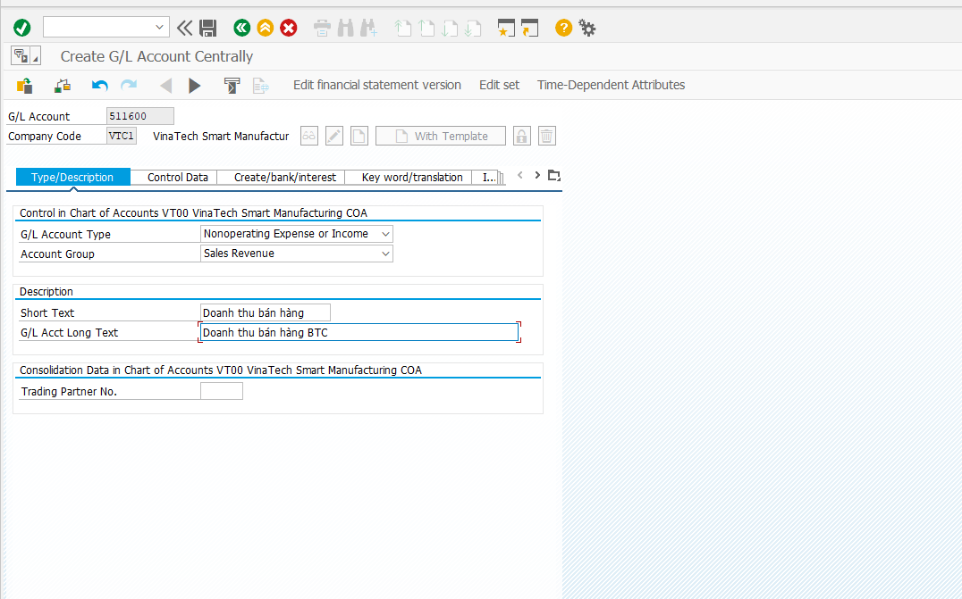 | DucNM | Pass
 |  |  |  | Account Type | Non-operating Expense or Income
 |  |  |  | Account Group | Revenue
 |  |  |  | Short Text | Sales Revenue
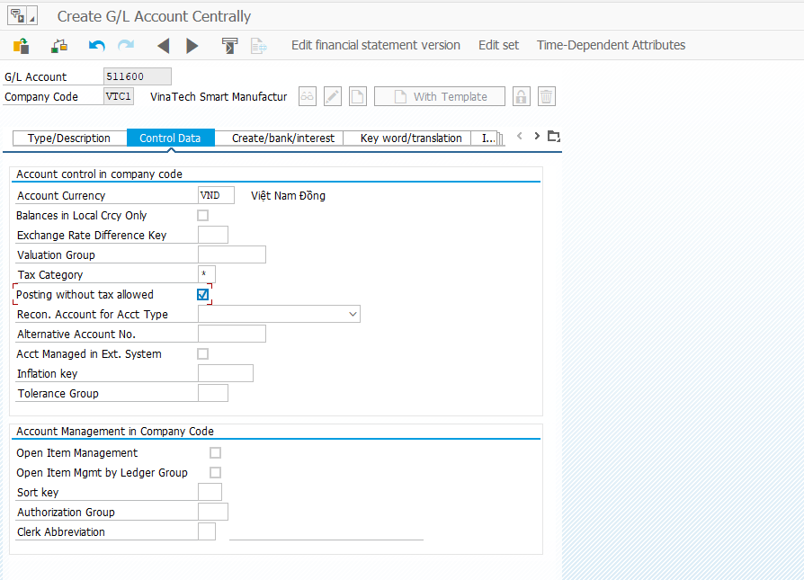
 |  |  |  | Long Text | Sales revenue account for VinaTech
 |  | FI003 | Control Data | Account Currency | VND | In the “Control Data”: 1. Enter Account Currency 2. Enter Tax Category 3. Select “Posting without tax allowed” | The system accepts the control data and allows navigation to the next tab. |  | DucNM | Pass
 |  |  |  | Tax Category | All tax types allowed
 |  |  |  | Posting without tax allowed | Checked

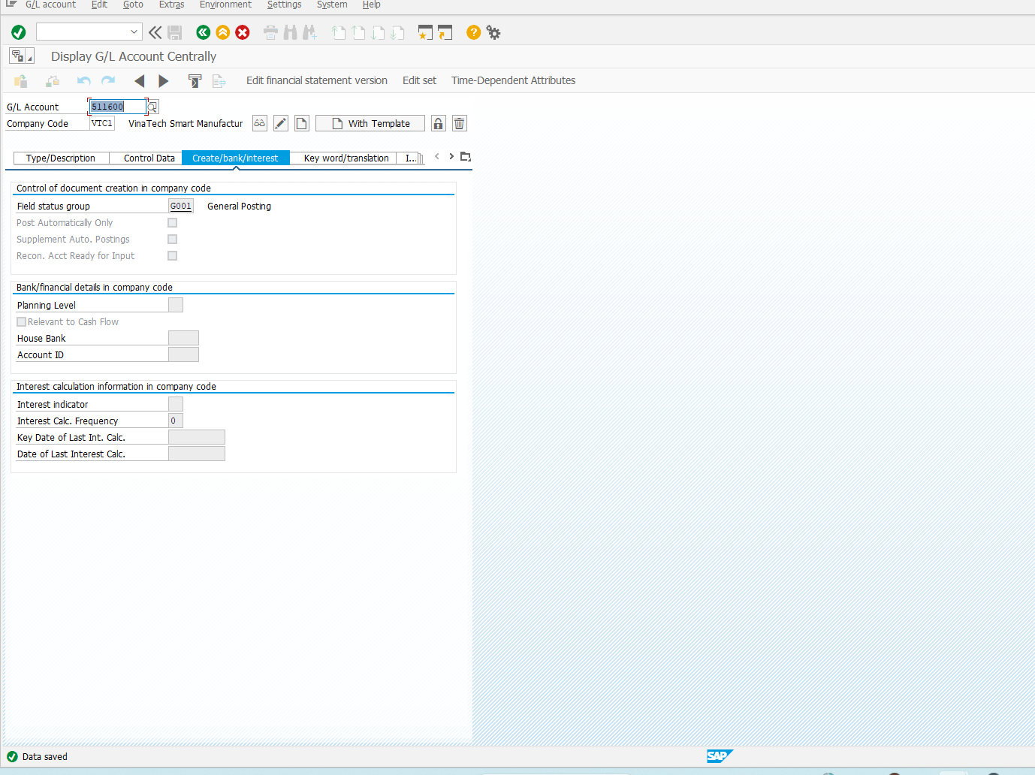
 |  | FI004 | Save Account | Field Status Group | BTC Revenue Account | 1. Enter Field Status Group 2. Click Save | The system saves the G/L account successfully and generates a confirmation message. |  | DucNM | Pass

Create Customer Invoice
Code Module | Create | Method |  |  |  |  | Create Customer Invoice
Created By | DucNM | Executed By |  |  |  |  | DucNM
Test requirement
Passed | Failed | Untested |  |  |  |  | N/A/B | Total Test Cases
4 | 0 | 0
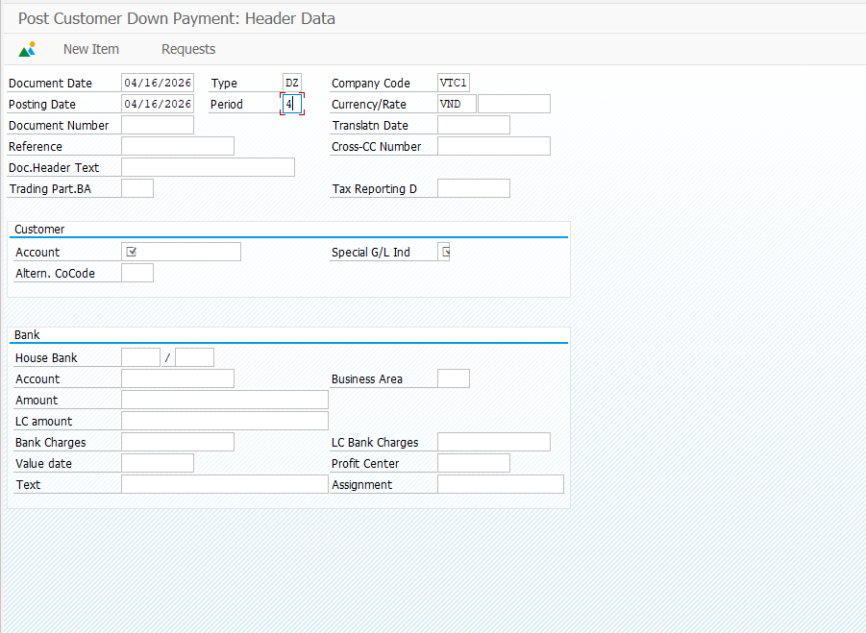
Process |  | ID | Test Data |  |  | Step | Expected Result | Actual Result | Tester | Pass/Fail
Create Customer Invoice |  | FI001 | Create Customer Invoice | Document Date | 16/04/2026 | 1.Login into SAP system 2. Enter transaction code F-29 3. Enter Document Date 4. Enter Posting Date 5. Enter Document Type 6. Enter Company Code 7. Enter Currency |  |  | DucNM | Pass
 |  |  |  | Posting Date | 16/04/2026
 |  |  |  | Type | DZ
 |  |  |  | Company Code | VTC1
 |  |  |  | Currency | VND
 |  | FI002 | Customer | Customer Account | Select from system using F4 | 1. Press F4 at Customer Account field 2. Select a valid customer in company code VTC1 3. Enter Special G/L Indicator = A | 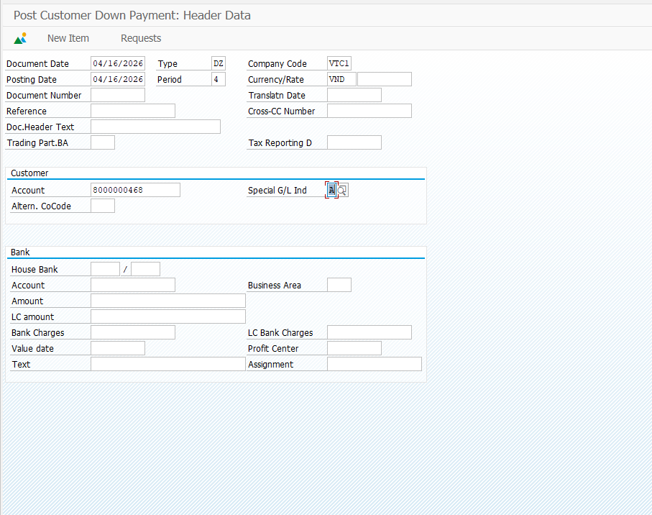 The system does not report any errors when entering customer information. |  | DucNM | Pass
 |  |  |  | Special G/L Indicator | A
 |  | FI003 | BANK DATA | House Bank | Select from system | 1. Press F4 to select House Bank 2. Select a valid bank 3. Enter Bank Account 4. Enter Amount 5. Enter Value Date 6. Enter Text | The system does not report any errors when entering bank and payment data. |  | DucNM | Pass
 |  |  |  | Account | Select from system
 |  |  |  | Amount | 10.000.000
 |  |  |  | Value Date | 16/04/2026
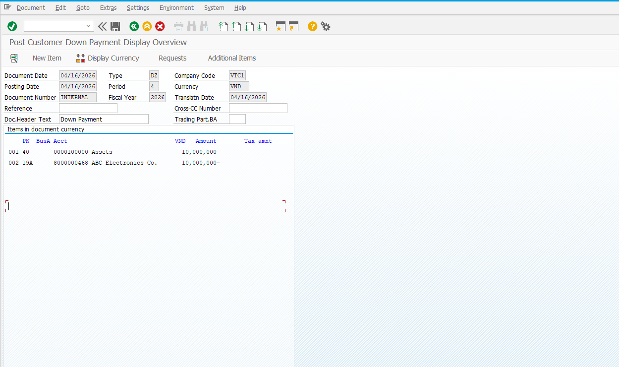
 |  |  |  | Text | Down Payment
 |  | FI004 | Customer Items | Amount | 10.000.000 | 1. Click Post button 2. Confirm document posting | The system does not report any errors and the document is successfully posted. |  | DucNM | Pass

Post Incoming Payment
Code Module | Create | Method FI |  |  |  |  | Post Incoming Payment
Created By | DucNM | Executed By: DucNM |  |  |  |  | DucNM
Test requirement
Passed | Failed | Untested |  |  |  |  | N/A/B | Total Test Cases
4 | 0 | 0
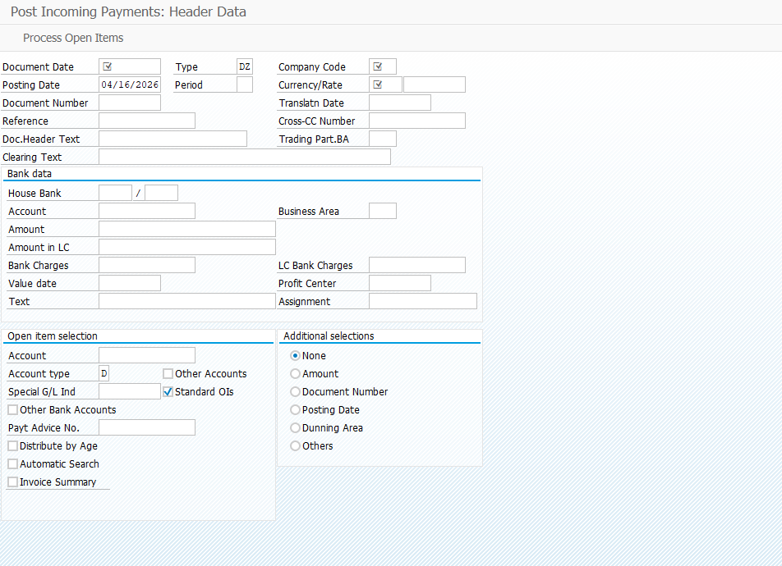
Process |  | ID | Test Data |  |  | Step | Expected Result | Actual Result | Tester | Pass/Fail
Post Incoming Payment |  | FI001 | Access Screen | Company Code | VTC1 | 1. Login into SAP 2. Enter T-code: F-28 3. Enter Company Code: VTC1 4. Click Enter | The system does not return any error and navigates to the Post Incoming Payment screen. |  | DucNM | Pass
 |  | FI002 | Header Data | Document Date | 16/04/2026 | In the "Header Data": 1. Enter Document Date: 16.04.2026 2. Enter Posting Date: 16.04.2026 3. Confirm Company Code: VTC1 4. Enter Currency: VND 5. Enter Reference & Header Text | The system accepts all header data. Fields are validated and no error messages appear. |  | DucNM | Pass
 |  |  |  | Posting Date | 16/04/2026
 |  |  |  | Company Code | VTC1
 |  |  |  | Currency | VND
 |  |  |  | Reference | REF-AR-001
 |  |  |  | Doc. Header Text | Thu tien KH VTC-001
 |  | FI003 | Bank Data | Bank G/L Account | 1121001 (VietcomBank VND) | In the "Bank Data": 1. Enter Bank G/L Account: 1121001 2. Enter Amount: 50,000,000 VND 3. Enter Value Date: 16.04.2026 4. Enter Business Area: BA-VTC1 | The system accepts the bank data. G/L account name is displayed. Amount is recorded correctly. |  | DucNM | Pass
 |  |  |  | Amount | 50,000,000 VND
 |  |  |  | Value Date | 16/04/2026
 |  |  |  | Business Area | BA-VTC1
 |  | FI004 | Open item selection | Customer Account | C-VTC-001 (Khach hang VinaTech) | In the "Open Item Selection": 1. Enter Customer Account: C-VTC-001 2. Set Account Type: D 3. Click Process Open Items 4. Select open invoice: 9000000001 5. Verify Difference = 0 6. Click Post | Payment document is posted successfully. AR open item is cleared. Document number is generated by the system. |  | DucNM | Pass
 |  |  |  | Account Type | D (Customer)
 |  |  |  | Invoice Doc. No. | 9000000001

